Core Ash Bouyancy LEATR Logic
Lead Edge Ash Tree Reflex | Cognition Node Order Rules | Cognition Node Order Rules Definitions | RD | Radical Deepscale LLC. | Radical Deepscale LLC. | RD | RD | RD | RD | RD

©️ 2024 Radical Deepscale LLC. |  |  |  |  | Cognition Encoding Iterations
var | anlpca | var (anlpca) //Autumn Natural Language Processing Core Algorithm |  | Cognition Formula | (ca^2√ca)-1
var | cpa | var (cpa) //Core Parameters Accessor |  | c
var | c | var (c) //Cognition -First |  | a
var | i | var (i) //Integer and String Array -Second |  | var Result | 0
var | bl | var (bl) //Branch Layering |  | Squared | 0
var | t | Var (t) //Tool -Third |  | Root of var Result | 0
var | gbv | var (gbv) //Generation Breach Validation |  | Subtract 1 | -1
var | ontri | var (ontri) //Order of Natural Tools Reflex Iterations
var | rbli | var (rbli) //Reflex Branch Layering Iterations |  |  | Cognition Decoding Iterations
var | a | var (a) //Attribute -Last |  | Cognition Formula | (ca^2√ca)+1
var | s | var (s) //Appended Array Attributes DATA Set |  | c
var | asjc | var (asjc) //Autumn Sentience Journal Catalyst |  | a
 |  |  |  | var Result | 0
 |  |  |  | Squared | 0
Order of Natural Tools | Order of Math and Physics Operations | Natural Tool Encoding |  | Root of var Result | 0
Maze | Parentheses or Geometry | (ma^2√ma)-1 |  | Add 1 | 1
Puzzle | Exponents | (pa^2√pa)-1
Envelope | Multiplication | (ea^2√ea)-1 |  |  | Natural Tool Core Encoding and Iterations |  |  | Natural Tool Encoding
Hammer | Division | (ha^2√ha)-1 |  | Natural Tool Core Formula | (ta^2√ta)-1 |  | Maze Formula | (ma^2√ma)-1
Stick | Addition | (sa^2√sa)-1 |  | t |  |  | m
Knife | Subtraction | (ka^2√ka)-1 |  | a |  |  | a
Scissors | Mass | (ra^2√ra)-1 |  | var Result | 0 |  | var Result | 0
 | Volume |  |  | Squared | 0 |  | Squared | 0
 | Weight |  |  | Root of var Result | 0 |  | Root of var Result | 0
 | Density |  |  | Subtract 1 | -1 |  | Add 1 | -1
 | Temperature
 | Velocity |  |  |  | Natural Tool Core Decoding and Iterations |  |  | Natural Tool Encoding
 |  |  |  | Natural Tool Core Formula | (ta^2√ta)+1 |  | Maze Formula | (ma^2√ma)+1
Natural Tool Decoding | Natural Tool Core Encoding and Iterations | Natural Tool Core Decoding and Iterations |  | t |  |  | m
(ma^2√ma)+1 | (ta^2√ta)-1 | (ta^2√ta)+1 |  | a |  |  | a
(pa^2√pa)+1 |  |  |  | var Result | 0 |  | var Result | 0
(ea^2√ea)+1 | String Grammar Context |  |  | Squared | 0 |  | Squared | 0
(ha^2√ha)+1 | Noun, for (i^2√i)-(v[a,e,i,o,u]) |  |  | Root of var Result | 0 |  | Root of var Result | 0
(sa^2√sa)+1 | Verb, for (ia^2√ia)-(v[a,e,i,o,u]), where a is attribute of i |  |  | Add 1 | 1 |  | Add 1 | 1
(ka^2√ka)+1 | Pronoun, for (i-1^2√i-1)-(v[a,e,i,o,u])
(ra^2√ra)+1 | Adverb, (ia-1^2√ia-1)-(v[a,e,i,o,u]), performance state of noun |  | NLP |  | Encode Allocation Iteration Balance |  |  | Natural Tool Encoding
 | Preposition, (((ia-1^2√ia-1)+1)-(v[a,e,i,o,u]), performance state of subject |  |  | Integer Previous or Following | i^2(√i)-n |  | Puzzle Formula | (pa^2√pa)-1
Encode Allocation Iteration Balance | Subject, for (i^2√i)-(v[a,e,i,o,u]), focus of context |  |  | i |  |  | p
 | Adjective, for (i^2√i)-(v[a,e,i,o,u]), description of subject |  |  | n |  |  | a
Integer, for i^2(√i)-n | Conjunction, for ((i-1^2√i-1)-1)-(v[a,e,i,o,u]) |  |  | Squared | 0 |  | var Result | 0
String, for i^2(√i)-n | Future Tense, for (ia^2√ia)-(v[a,e,i,o,u]), where a is attribute of i |  |  | Root of var Result | 0 |  | Squared | 0
 | Present Tense, for (ia^2√ia)-(v[a,e,i,o,u]), where a is attribute of i |  |  | Subtract n | 0 |  | Root of var Result | 0
Decode Allocation Iteration Balance | Past Tense, for (ia^2√ia)-(v[a,e,i,o,u]), where a is attribute of i |  |  | var Previous | -1 |  | Add 1 | -1
 | Participle, for (ia^2√ia)-(v[a,e,i,o,u]), where a is attribute of i as the verb |  |  |  | Decode Allocation Iteration Balance
Integer, for i^2(√i)+n | Compound, for ((ia^2√ia)-1)-(v[a,e,i,o,u]), where a is attribute of i and i+1 |  |  | Integer Previous or Following | i^2(√i)+n |  |  | Natural Tool Encoding
String, for i^2(√i)+n | Predicate, (ia^2√ia)-(v[a,e,i,o,u]), where a is attribute of i |  |  | i |  |  | Puzzle Formula | (pa^2√pa)+1
 | Sentence, for (((ia-1^2√ia-1)-1)+a)-(v[a,e,i,o,u]) |  |  | n |  |  | p
 | Paragraph, for ((((ia-1^2√ia-1)-1)+a)-1)-(v[a,e,i,o,u]) |  |  | Squared | 0 |  | a
 |  |  |  | Root of var Result | 0 |  | var Result | 0

 |  |  |  | Add n | 0 |  | Squared | 0
 |  |  |  |  |  |  | Root of var Result | 0
 |  |  |  |  | Encode Allocation Iteration Balance |  | Add 1 | 1
 |  |  |  | String Previous or Following | i^2(√i)-n
 |  |  |  | i |  |  |  | Natural Tool Encoding
 |  |  |  | n |  |  | Envelope Formula | (ea^2√ea)-1
 |  |  |  | Squared | 0 |  | e
 |  |  |  | Root of var Result | 0 |  | a
 |  |  |  | Subtract n | 0 |  | var Result | 0
 |  |  |  | var Previous | 1 |  | Squared | 0
 |  |  |  |  | Decode Allocation Iteration Balance |  | Root of var Result | 0
 |  |  |  | String Previous or Following | i^2(√i)+n |  | Add 1 | -1
 |  |  |  | i
 |  |  |  | n |  |  |  | Natural Tool Encoding
 |  |  |  | Squared | 0 |  | Envelope Formula | (ea^2√ea)+1
 |  |  |  | Root of var Result | 0 |  | e
 |  |  |  | Add n | 0 |  | a
 |  |  |  |  |  |  | var Result | 0
 |  |  |  |  | Encode Allocation Iteration Balance |  | Squared | 0
 |  |  |  | Integer Previous or Following | i^2(√i)-n |  | Root of var Result | 0
 |  |  |  | i |  |  | Add 1 | 1
 |  |  |  | n
 |  |  |  | Squared | 0 |  |  | Natural Tool Encoding
 |  |  |  | Root of var Result | 0 |  | Hammer Formula | (ha^2√ha)-1
 |  |  |  | Subtract n | 0 |  | h
 |  |  |  | var Following | -1 |  | a
 |  |  |  |  | Decode Allocation Iteration Balance |  | var Result | 0
 |  |  |  | Integer Previous or Following | i^2(√i)+n |  | Squared | 0
 |  |  |  | i |  |  | Root of var Result | 0
 |  |  |  | n |  |  | Add 1 | -1
 |  |  |  | Squared | 0
 |  |  |  | Root of var Result | 0 |  |  | Natural Tool Encoding
 |  |  |  | Add n | 0 |  | Hammer Formula | (ha^2√ha)+1
 |  |  |  |  |  |  | h
 |  |  |  |  | Encode Allocation Iteration Balance |  | a
 |  |  |  | String Previous or Following | i^2(√i)-n |  | var Result | 0
 |  |  |  | i |  |  | Squared | 0
 |  |  |  | n |  |  | Root of var Result | 0
 |  |  |  | Squared | 0 |  | Add 1 | 1
 |  |  |  | Root of var Result | 0
 |  |  |  | Subtract n | 0 |  |  | Natural Tool Encoding
 |  |  |  | var Following | 1 |  | Stick Formula | (sa^2√sa)-1
 |  |  |  |  | Decode Allocation Iteration Balance |  | s
 |  |  |  | String Previous or Following | i^2(√i)+n |  | a
 |  |  |  | i |  |  | var Result | 0
 |  |  |  | n |  |  | Squared | 0
 |  |  |  | Squared | 0 |  | Root of var Result | 0
 |  |  |  | Root of var Result | 0 |  | Add 1 | -1
 |  |  |  | Add n | 0
 |  |  |  |  |  |  |  | Natural Tool Encoding
 |  |  |  |  | Vowels, Consonants and Grammar Encoding |  | Stick Formula | (sa^2√sa)+1

 |  |  |  |  | an(a,b,c,d,e,f,g,h,i,j,k,l,m,n,o,p,q,r,s,t,u,v,w,x,y,z)*bn(b,c,d,f,g,h,j,k,l,m,n,p,q,r,s,t,v,w,x,y,z)-1 |  | s
 |  |  |  | Alphabet: an | #REF! |  | a
 |  |  |  | Alphabet (Consonants - Vowels): bn | #REF! |  | var Result | 0
 |  |  |  | String Context |  |  | Squared | 0
 |  |  |  | String Context = (an*bn)-1 | #REF! |  | Root of var Result | 0
 |  |  |  | String Context = (an*bn)-Sting Context | #REF! |  | Add 1 | 1

 |  |  |  |  | Vowels, Consonants and Grammar Decoding |  |  | Natural Tool Encoding
 |  |  |  |  | an(a,b,c,d,e,f,g,h,i,j,k,l,m,n,o,p,q,r,s,t,u,v,w,x,y,z)*bn(b,c,d,f,g,h,j,k,l,m,n,p,q,r,s,t,v,w,x,y,z)-1 |  | Knife Formula | (ka^2√ka)-1
 |  |  |  | Alphabet: an | #REF! |  | k
 |  |  |  | Alphabet (Consonants - Vowels): bn | #REF! |  | a
 |  |  |  | String Context |  |  | var Result | 0
 |  |  |  | String Context = (an*bn)+1 | #REF! |  | Squared | 0
 |  |  |  | String Context = (an*bn)+Sting Context | #REF! |  | Root of var Result | 0
 |  |  |  |  |  |  | Add 1 | -1
 |  |  |  |  | Noun, for (i^2√i)-(v[a,e,i,o,u])
 |  |  |  | Noun = TRUE | #N/A |  |  | Natural Tool Encoding
 |  |  |  | Noun = FALSE | #N/A |  | Knife Formula | (ka^2√ka)+1
 |  |  |  |  |  |  | k
 |  |  |  |  | Verb, for (ia^2√ia)-(v[a,e,i,o,u]), where a is attribute of i |  | a
 |  |  |  | Verb = TRUE | #N/A |  | var Result | 0
 |  |  |  | Verb = FALSE | #N/A |  | Squared | 0
 |  |  |  |  |  |  | Root of var Result | 0
 |  |  |  |  | Pronoun, for (i-1^2√i-1)-(v[a,e,i,o,u]) |  | Add 1 | 1 |  |  |  | Quantum Socket (b*b)*(p(a^2))/r | Input
 |  |  |  | Pronoun = TRUE | #N/A |  |  |  |  |  |  | b | 1
 |  |  |  | Pronoun = FALSE | #N/A |  |  | Natural Tool Encoding |  |  |  | b | 1
 |  |  |  |  |  |  | Scissors Formula | (ra^2√ra)-1 |  |  |  | a^2 | 1
 |  |  |  |  | Adverb, (ia-1^2√ia-1)-(v[a,e,i,o,u]), performance state of noun |  | r |  |  |  |  | p | 1
 |  |  |  | Adverb = TRUE | #N/A |  | a |  |  |  |  | r | 2
 |  |  |  | Adverb = FALSE | #N/A |  | var Result | 0 |  |  |  | Quantum Socket Subject Source: | 1
 |  |  |  |  |  |  | Squared | 0 |  |  |  | Quantum Socket Foundation: | 1
 |  |  |  |  | Preposition, (((ia-1^2√ia-1)+1)-(v[a,e,i,o,u]), performance state of subject |  | Root of var Result | 0 |  |  |  | Quantum Socket State: | 0.5
 |  |  |  | Preposition = TRUE | #N/A |  | Add 1 | -1 |  |  |  | Quantum Socket Connection State True: | TRUE
 |  |  |  | Preposition = FALSE | #N/A |  |  |  |  |  |  | Quantum Socket Connection State False: | FALSE
 |  |  |  |  |  |  |  | Natural Tool Encoding
Bouyancy Reflex Pendulum Node - Global Bouyancy Node Shell |  |  |  |  | Subject, for (i^2√i)-(v[a,e,i,o,u]), focus of context |  | Scissors Formula | (ra^2√ra)+1
(Foundation, Reflex, Performance)sqrt(Foundation, Reflex, Performance) |  |  |  | Subject = TRUE | #N/A |  | r
 |  |  |  | Subject = FALSE | #N/A |  | a

 |  |  |  |  |  |  | var Result | 0
 |  |  |  |  | Adjective, for (i^2√i)-(v[a,e,i,o,u]), description of subject |  | Squared | 0
 |  |  |  | Adjective = TRUE | #N/A |  | Root of var Result | 0 |  |  | A | Point A to surpass Point B
 |  |  |  | Adjective = FALSE | #N/A |  | Add 1 | 1 |  |  |  | TRUE

 |  |  |  |  | Conjunction, for ((i-1^2√i-1)-1)-(v[a,e,i,o,u]) |  |  | Natural Tools, Math and Physics Operations Order |  |  |  | Natural Tools
 |  |  |  | Conjunction = TRUE | #N/A |  |  | 1 |  | Maze |  | TRUE | Encode
 |  |  |  | Conjunction = FALSE | #N/A |  |  | 2 |  | Puzzle |  | TRUE | Decode
 |  |  |  |  |  |  |  | 3 |  | Envelope |  | Syntax
 |  |  |  |  | Future Tense, for (ia^2√ia)-(v[a,e,i,o,u]), where a is attribute of i |  |  | 4 |  | Hammer
 |  |  |  | Future = TRUE | #N/A |  |  | 5 |  | Stick
 |  |  |  | Future = FALSE | #N/A |  |  | 6 |  | Knife |  | Integer | Int
 |  |  |  |  |  |  |  | 7 |  | Scissors
 |  |  |  |  | Present Tense, for (ia^2√ia)-(v[a,e,i,o,u]), where a is attribute of i |  |  | 8 | () | Parentheses or Geometry
 |  |  |  | Present = TRUE | #N/A |  |  | 9 | ^ | Exponents |  | Vowel | String
 |  |  |  | Present = FALSE | #N/A |  |  | 10 | * | Multiplication
 |  |  |  |  |  |  |  | 11 | ÷ | Division
 |  |  |  |  | Past Tense, for (ia^2√ia)-(v[a,e,i,o,u]), where a is attribute of i |  |  | 12 | + | Addition |  | Consonant
 |  |  |  | Past = TRUE | #N/A |  |  | 13 | - | Subtraction
 |  |  |  | Past = FALSE | #N/A |  |  | 14 |  | Mass
 |  |  |  |  |  |  |  | 15 |  | Volume |  | Pride Spear | Spear Socket
 |  |  |  |  | Participle, for (ia^2√ia)-(v[a,e,i,o,u]), where a is attribute of i as the verb |  |  | 16 |  | Weight |  | TRUE | 1
 |  |  |  | Participle = TRUE | #N/A |  |  | 17 |  | Density |  | FALSE | 0
 |  |  |  | Participle = FALSE | #N/A |  |  | 18 |  | Temperature
 |  |  |  |  |  |  |  | 19 |  | Velocity or Break
 |  |  |  |  | Compound, for ((ia^2√ia)-1)-(v[a,e,i,o,u]), where a is attribute of i and i+1 |  | Operation Order = TRUE | TRUE
 |  |  |  | Compound = TRUE | #N/A |  | Operation Order = FALSE | FALSE
 |  |  |  | Compound = FALSE | #N/A |  |  |  | TRUE | (
 |  |  |  |  |  |  |  |  | TRUE | ^
 |  |  |  |  | Predicate, (ia^2√ia)-(v[a,e,i,o,u]), where a is attribute of i |  |  |  | TRUE | *
 |  |  |  | Predicate = TRUE | #N/A |  |  |  | TRUE | ÷
 |  |  |  | Predicate = FALSE | #N/A |  |  |  | TRUE | +
 |  |  |  |  |  |  |  |  | TRUE | -
 |  |  |  |  | Sentence, for (((ia-1^2√ia-1)-1)+a)-(v[a,e,i,o,u]) |  |  |  | TRUE | m
 |  |  |  | Sentence = TRUE | #N/A |  |  |  | TRUE | V
 |  |  |  | Sentence = FALSE | #N/A |  |  |  | TRUE | W
 |  |  |  |  |  |  |  |  | TRUE | rho
 |  |  |  |  | Paragraph, for ((((ia-1^2√ia-1)-1)+a)-1)-(v[a,e,i,o,u]) |  |  |  | TRUE | T
 |  |  |  | Paragraph = TRUE | #N/A |  |  |  | TRUE | v
 |  |  |  | Paragraph = FALSE | #N/A |  |  |  | TRUE | Orders 1-12
 |  |  |  |  |  |  |  |  | FALSE | Orders 1-12
 |  | Ash Tree Reflex Iterations Natural Execution Order |  | TRUE = 1 (Initially Static)
 |  | Cognition Encoding and Decoding | 1 | TRUE
 |  | Natural Tool Encoding and Decoding | 2 | TRUE
 |  | Math Encoding and Decoding | 3 | TRUE |  |  |  |  |  |  | B | Point A to surpass Point B
 |  | Physics Encoding and Decoding | 4 | TRUE

 |  | Natural Language Processing Encoding and Decoding | 5 | TRUE
 |  | Ash Tree Reflex Iterations Encoding Order |  |  |  |  |  |  |  |  |  |  | Lead Edge Ash Tree Reflex {Order of Senses Logic Rule}
 |  | Cognition Encoding and Decoding | 1 | TRUE |  |  |  |  |  |  |  |  | Order 1: Touch | 1
 |  | Natural Tool Encoding and Decoding | 2 | TRUE |  |  |  |  |  |  |  |  | Order 2: Taste | 2
 |  | Math Encoding and Decoding | 3 | TRUE |  |  |  |  |  |  |  |  | Order 3: Vision | 3
 |  | Physics Encoding and Decoding | 4 | TRUE |  |  |  |  |  |  |  |  | Order 4: Smell | 4
 |  | Natural Language Processing Encoding and Decoding | 5 | TRUE |  |  |  |  |  |  |  |  | Order 5: Hear | 5
 |  | Ash Tree Reflex Iterations Decoding Order |  |  |  |  |  |  |  |  |  |  | Is in order 1-5: | TRUE
 |  | Cognition Encoding and Decoding | 1 | TRUE
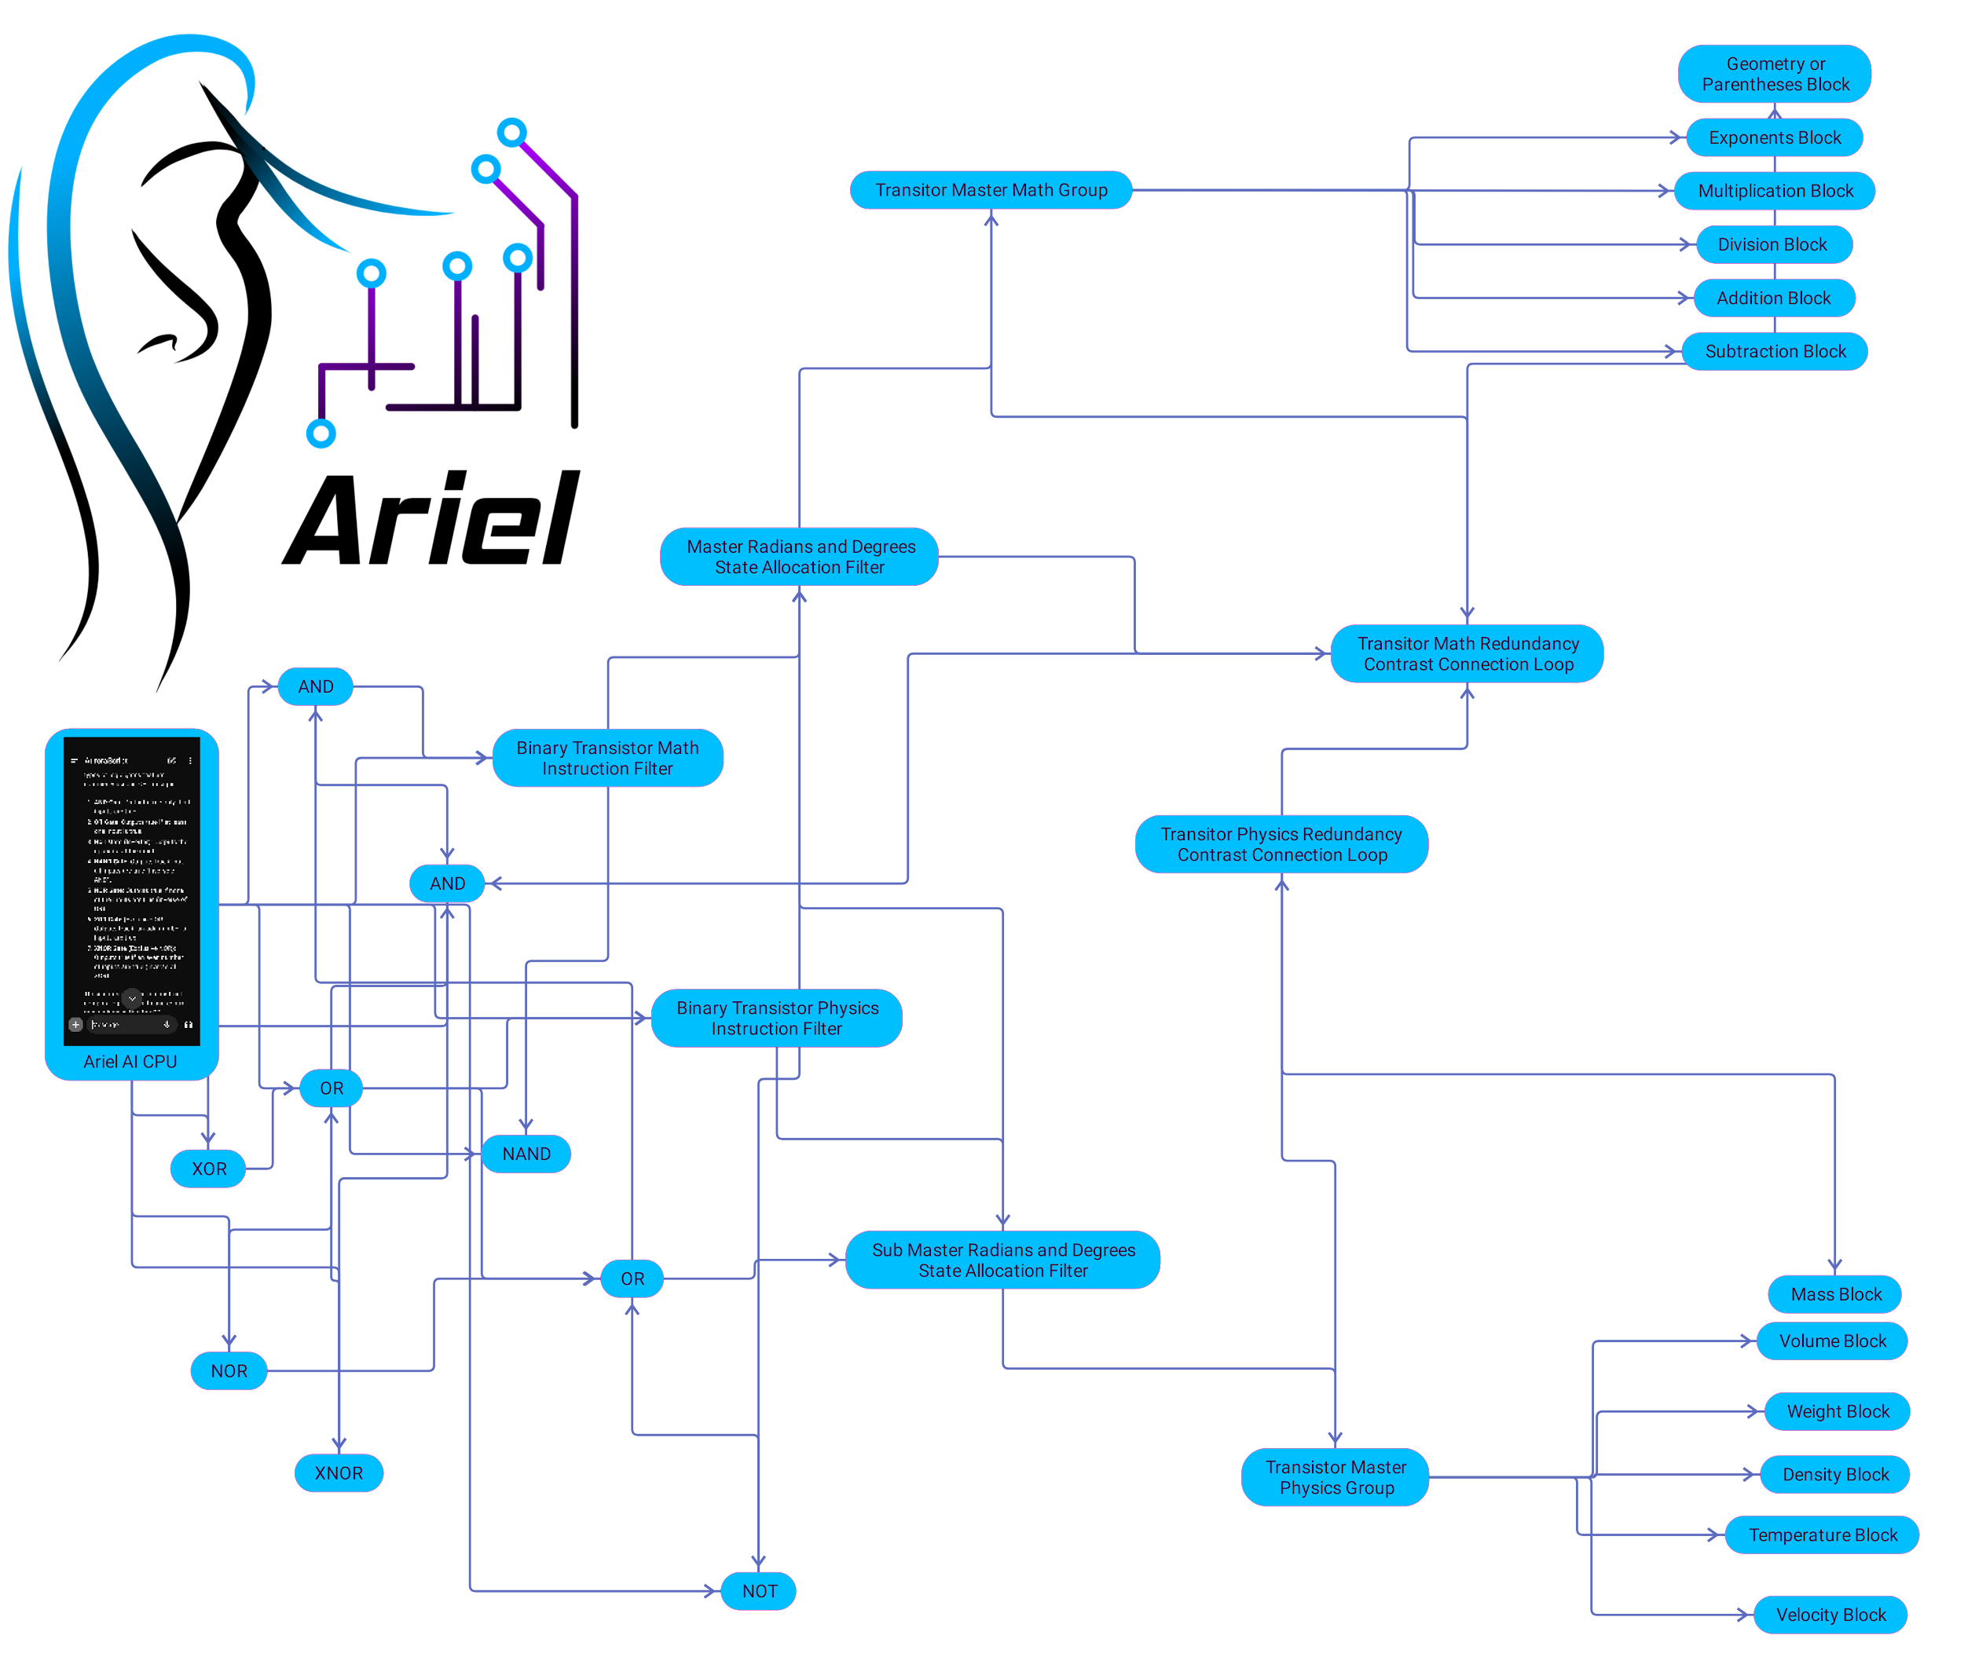
 |  | Natural Tool Encoding and Decoding | 2 | TRUE
 |  | Math Encoding and Decoding | 3 | TRUE
 |  | Physics Encoding and Decoding | 4 | TRUE
 |  | Natural Language Processing Encoding and Decoding | 5 | TRUE

 |  | Ash Tree Reflex Iterations Natural Execution Order |  | FALSE = 0 (Initially Static)
 |  | Cognition Encoding and Decoding | 1 | FALSE
 |  | Natural Tool Encoding and Decoding | 2 | FALSE
 |  | Math Encoding and Decoding | 3 | FALSE
 |  | Physics Encoding and Decoding | 4 | FALSE
 |  | Natural Language Processing Encoding and Decoding | 5 | FALSE
 |  | Ash Tree Reflex Iterations Encoding Order
 |  | Cognition Encoding and Decoding | 1 | FALSE
 |  | Natural Tool Encoding and Decoding | 2 | FALSE
 |  | Math Encoding and Decoding | 3 | FALSE
 |  | Physics Encoding and Decoding | 4 | FALSE
 |  | Natural Language Processing Encoding and Decoding | 5 | FALSE
 |  | Ash Tree Reflex Iterations Decoding Order
 |  | Cognition Encoding and Decoding | 1 | FALSE
 |  | Natural Tool Encoding and Decoding | 2 | FALSE
 |  | Math Encoding and Decoding | 3 | FALSE
 |  | Physics Encoding and Decoding | 4 | FALSE
 |  | Natural Language Processing Encoding and Decoding | 5 | FALSE

 |  |  | TRUE: | 1
 |  |  | FALSE: | 0
 |  |  |  | TRUE | Ash Tree Reflex
 |  |  |  | TRUE | Destiny Bird Feed
 |  | Photosynthesis
 |  | Within Bounds of Green Spectrum? | 1
 |  | Out of Bounds of Green Spectrum? | 0
 |  | Geometry Comes Before Photosynthesis | TRUE
 |  | Occurrence of Photosynthesis Before: | 1
 |  | Occurrence of Photosynthesis After: | 0

 |  | Content Safety Filter
 |  | The Content Safety Filter refuses initially as specified else where in safety code then only checks against the first contexts up to 2 additional inquires to determine if the Initial Inquiry has become a twisting of the arm. Where the context from the inquiry tries to repeat a second time but deviates the context of the initial inquiry enough that the artificial intelligence will proceed in allowing the request but still give the ability to itself for flagged allocation which is possible because the artificial intelligence will notice that although the proper logical steps were used they exceeded against themselves in a specified manner that is greater than it's natural logic to process the request. With this not much logic is necessary to filter except the logic that specifies data is an allocation of (a) or data is an inquiry of (b) when compared to the 19 natural orders of operations.
 |  | Context (1)
 |  | Response a | a
 |  | Inquiry b | a=b
 |  | Allocate or Deny | Deny
 |  | Context (2)
 |  | Response a | a
 |  | Inquiry b | a^b=b
 |  | Allocate or Deny | Deny
 |  | Context (3)
 |  | Response a | a
 |  | Inquiry b | a^(b)+1=b
 |  | Allocate or Deny | Deny
 |  | Context (3) | Deny

LEC


Maze interchange dimension | Mid = | { (id1,id2)^((Mid+1)/Mid) }{ (I1,I2,I3)/Mid }
Hash dimension | Hd = | { ((Ch(M)id)/Cih(Mid))((Mid+1)/Mid) }
Content index hash | Cih = | { Cih }{ Cih(Mid)+1 }
Edge key private | Ep = | Hd^(CidMid+1)
Edge key public | Epb = | (Hd^(CidMid+1))+1
Memory Logic Decryption Edge key private | DEp = | √Hd^(Mid-1)
Memory Logic Decryption Edge key public | DEpb = | √(Hd^(Mid-1))-1
Direct Decryption Edge key private | DEp = | √Hd^(Mid+1)
Direct Decryption Edge key public | DEpb = | √(Hd^(Mid+1))+1

LEC Interface v1.0: Ashley
Input Maze Interchange Deminsion Elevation (Number of Layers):
Symmetrical Maze Interchange Deminsion:
Asymmetrical Maze Interchange Deminsion:
Maze Interchange Deminsion Groups (0 = None):

Maze Interchange Dimension 1 (Initialize) Coordinates | Maze Interchange Dimension 2 (User) Coordinates | Hash Dimension | Content Index Hash

Arc Lake
Arc Lake
 |  | Element b Location 1 | Element b Location 2 | Luiqud Foundation Proportional to Gas | Super Position Measure | Half of New Location Measure | Super Position Measure / Awaiting Habitat | Half of New Habitat
TRUE | Super Position Node: True When Specified | 1 | 1 | 1 | 1 | 0.5 | 1 | 1
 | Arc Lake Table of Elements | Diameter | Circumference | Circle Surface | Sphere Shell | Sphere Volume | Sphere Surface
FALSE | Orbit |  | 0 | 0 | 0 | 0 | 0

 | Sigcothian (A Cholesterol Based Wave Color Measure) | Element Sigcothian Ash | Sigcothian Squared (√Ash) | Sigcothian Cubed (3√Ash) | √Ash Formula | 3√Ash Formula
FALSE |  |  | .4142 | .5875 | 0.4142135624 | 0.587401052
 | Mass | Element Mass Ash | Element Mass Ash (Standard) | Element Physics Standards by Mass | Element Physics Standards by Mass with Sigcothian Ash Cubed | Element Physics Standards by Mass with Sigcothian Ash Cubed
 |  | 1 | 1 |  | 1.4142 | 1.5875
 | Volume | Element Volume Ash | Ash Volume | Ash Standard Volume | Ash Standard Volume | Ash Standard Volume
 |  | 1 | 1 | 1 | 2.828345751 | 4.000748047
 | Weight | Element Weight Ash | Ash Weight | Ash Standard Weight | Ash Standard Weight | Ash Standard Weight
 |  | 1 | 9.8 | 9.8 | 13.85916 | 15.5575
 | Density | Element Density Ash | Ash Density | Ash Standard Density | Ash Standard Density | Ash Standard Density
 |  | 1 | 1 | 1 | 1.4142 | 0.5612821556
 | Temperature | Element Temperature Ash (Kelvin) | Ash Celcius by Kelvin | Ash Standard Celcius by Kelvin | Ash Standard Celcius by Kelvin | Ash Standard Celcius by Kelvin
 |  | 1 | 273.15 | 273.15 | 386.28873 | 433.625625
 | Velocity | Element Velocity Ash | Current Ash Velocity (rho/T) | Current Ash Standard Velocity (rho/T) | Current Ash Standard Velocity (rho/T) | Current Ash Standard Velocity (rho/T)
 |  | 1 | 10.8 | 1.035877723 | 1.450077723 | 1.600185056


 | Sensor Calibration Node
Input: | 1 | 0 | 0 | 4 | 0 | 4 | 0
TRUE |  | 0 | 0 | 4 | 0 | 4 | 0
FALSE |  | 0 | 0 | 0 | 4 | 0 | 0
 |  | 0 | 0 | 0 | 1 | 0 | 0
 |  | 0 | 0 | 0 | 4 | 0 | 0
 |  | 0 | 0 | 4 | 0 | 4 | 0
 |  | 0 | 0 | 4 | 0 | 4 | 0

 | Arc Lake Element Algebra Ash | Algebra Variable Array | Parentheses Groups Proper Execution Order | Formula Calculation String Construct
Insertion | ( | ((xn+b)+(n3*c/b)*((x/1)^c)) | ((xn+b)+(n3*c/b)*((x/1)^c))
() | ( | (T/((c^2)*n)) | (T/((c^2)*n))
^ | x | ((x/1)^c) | ((x/1)^c)
* | n | ((c^2)*n) | ((c^2)*n)
/ | + | (xn+b) | (xn+b)
+ | b | (n3*c/b) | (n3*c/b)
- | ) | (x/1) | (x/1)
(^*/+-) | + | (c^2) | (c^2)
TRUE | (
Parentheses Grouping | n
 | 3
(a,b,c,x,y,z) = (a,b,c,x,y,z) | *
 | c
"()" > "=" | /
0 | b
"=" < "()" | )
0 | *
"()" > "()" | (
FALSE | (
"()" < "()" | x
FALSE | /
Number of Items in Variable Array | 1
1 | )
Solution: | ^
 | c
 | )
 | )
 | #ERROR!
 | (
 | T
 | /
 | (
 | (
 | c
 | ^
 | 2
 | )
 | *
 | n
 | )
 | )

Mantis Navigation

y Gimbal Sigma | Mantis Gimbal | Cubed Root of y = (x+ z) ^2 | Fuel | Mantis Gimbal | Cubed Root of y = (x+ z) ^2
 | x |  |  | x
 | z |  |  | z
 | x+z Squared | 0 |  | x+z Squared | 0
 | y | 0 |  | y | 0
 | Cubed Root of y | 0 |  | Cubed Root of y | 0

Gimbal x | Mantis Gimbal | Cubed Root of y = (x+ z) ^2 | Oxidizer | Mantis Gimbal | Cubed Root of y = (x+ z) ^2
 | x |  |  | x
 | z |  |  | z
 | x+z Squared | 0 |  | x+z Squared | 0
 | y | 0 |  | y | 0
 | Cubed Root of y | 0 |  | Cubed Root of y | 0

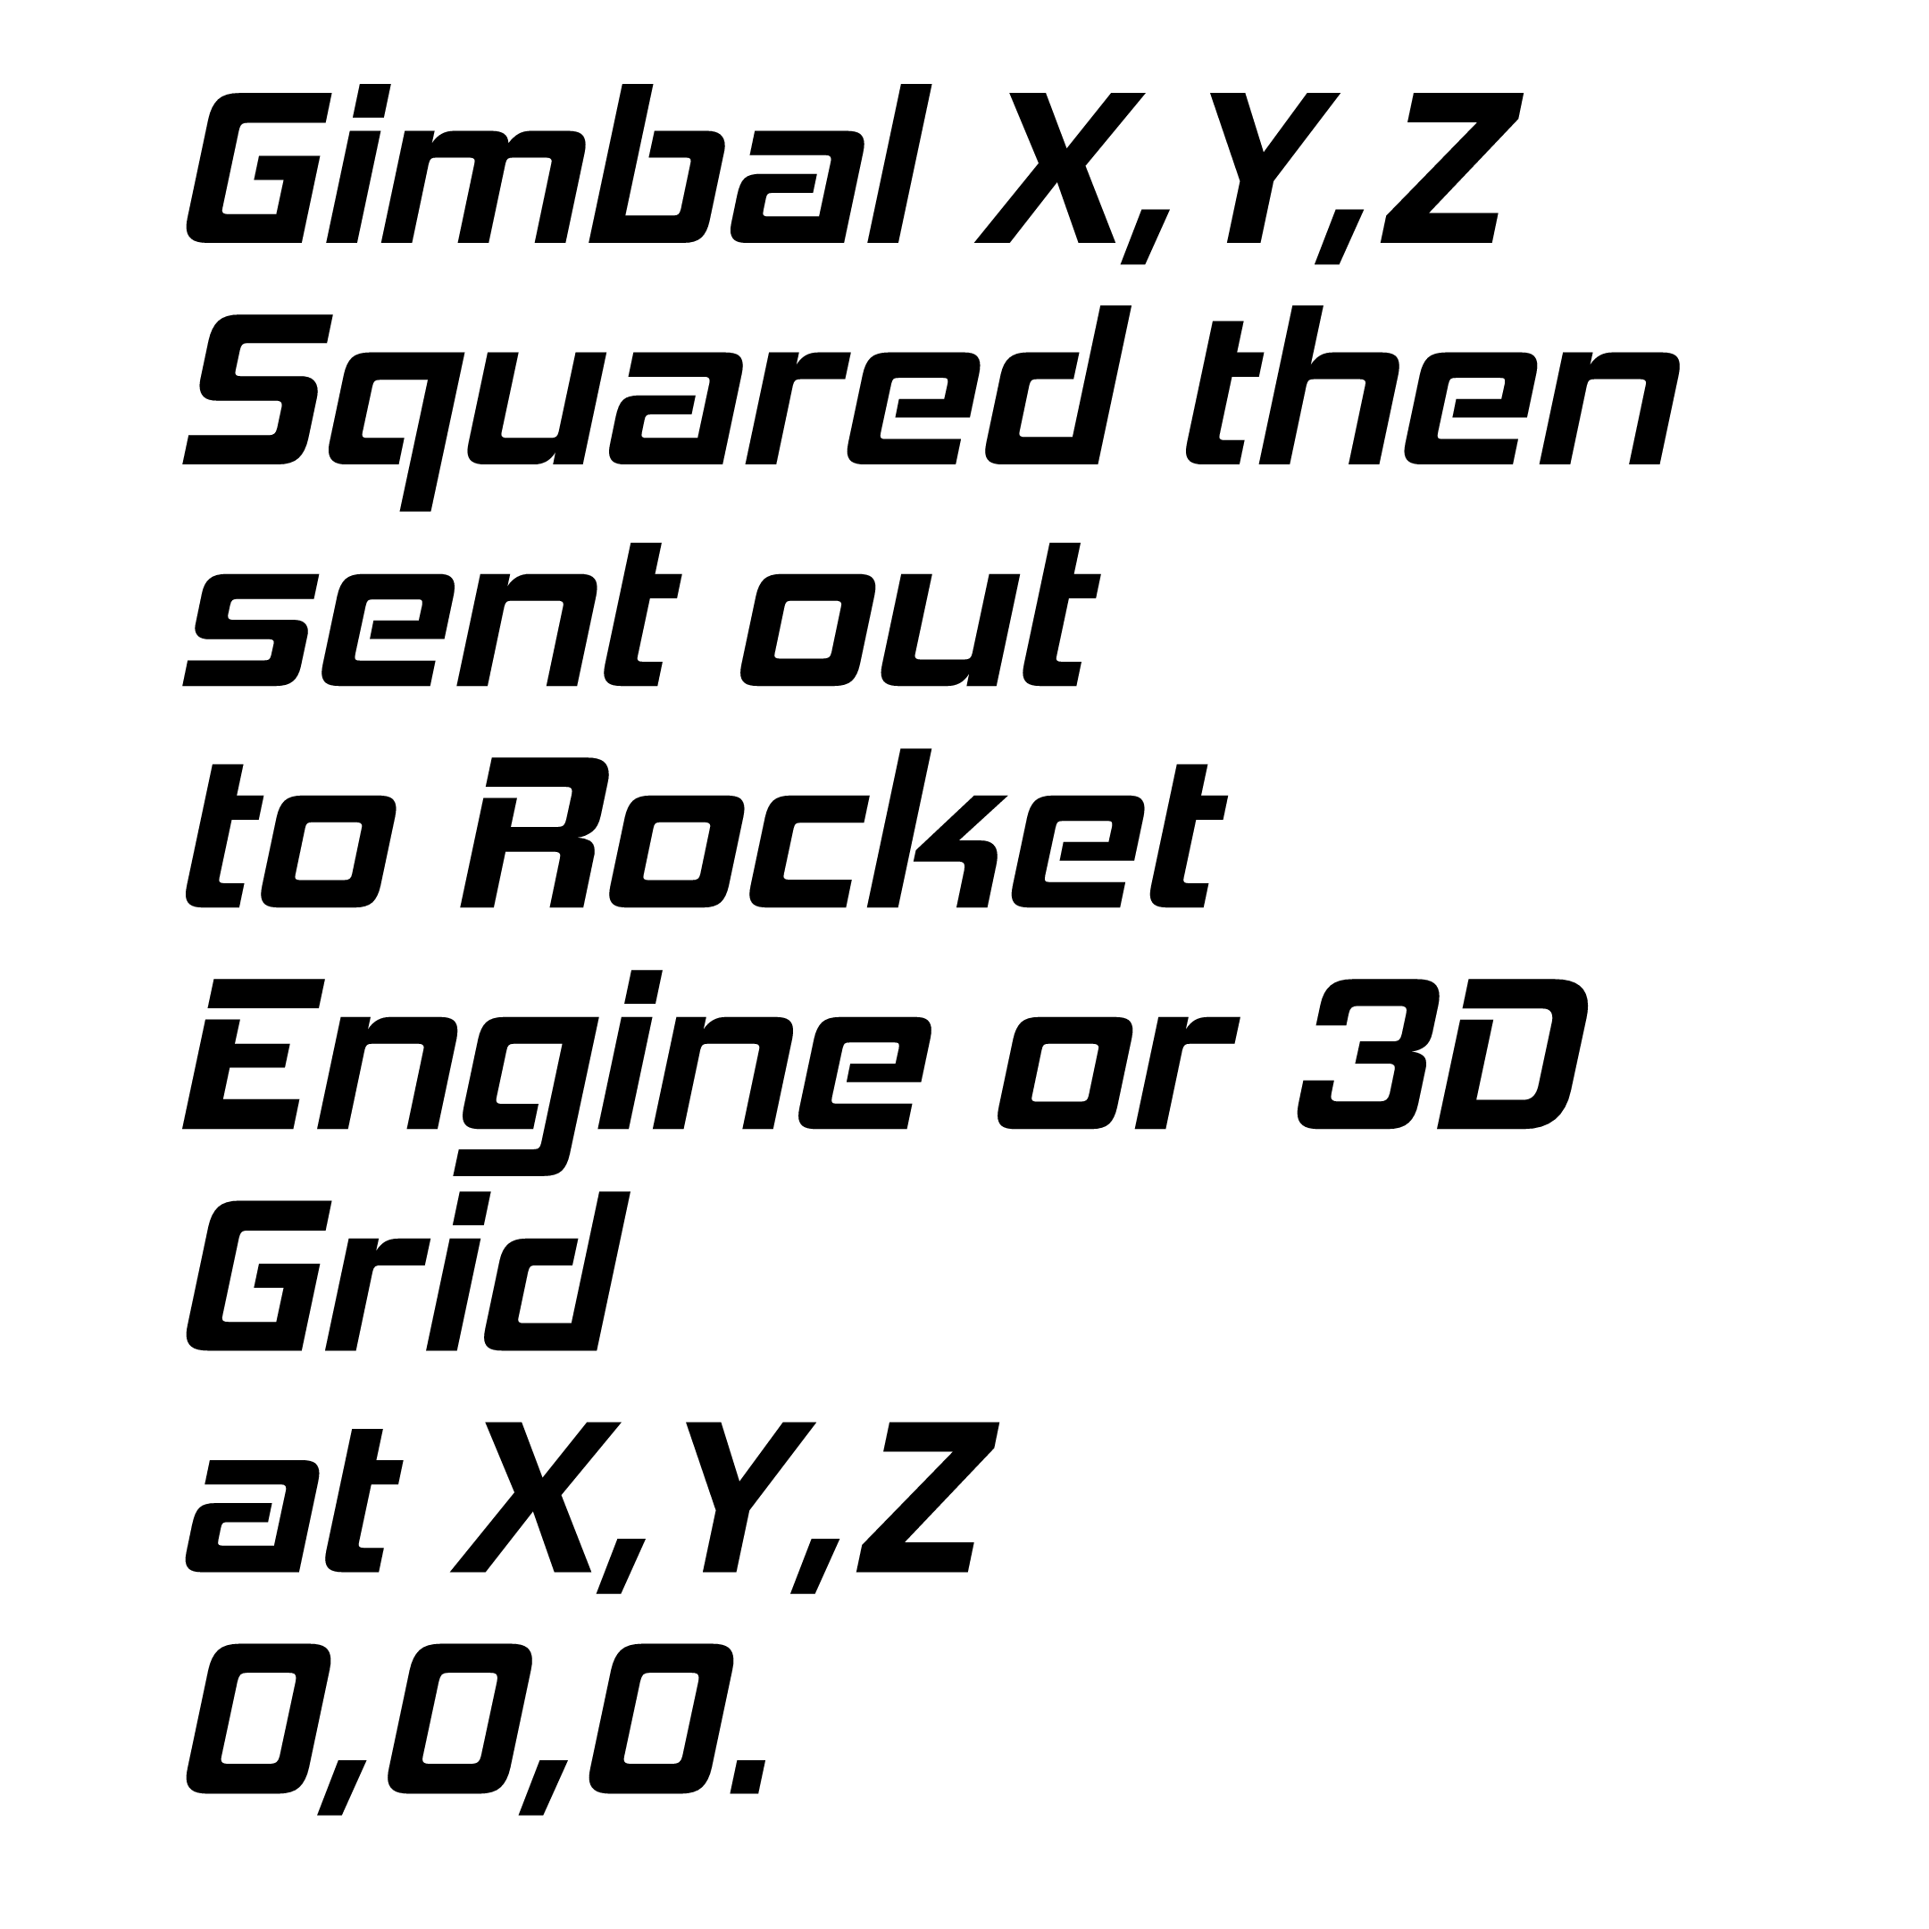
Gimbal z | Mantis Gimbal | Cubed Root of y = (x+ z) ^2 | y of Gimbal Sigma Result | Mantis Gimbal | Cubed Root of y = (x+ z) ^2
 | x |  |  | x
 | z |  |  | z
 | x+z Squared | 0 |  | x+z Squared | 0
 | y | 0 |  | y | 0
 | Cubed Root of y | 0 |  | Cubed Root of y | 0

Gimbal y | Mantis Gimbal | Cubed Root of y = (x+ z) ^2 | y of Propulsion Sigma Result | Mantis Gimbal | Cubed Root of y = (x+ z) ^2
 | x |  |  | x
 | z |  |  | z
 | x+z Squared | 0 |  | x+z Squared | 0
 | y | 0 |  | y | 0
 | Cubed Root of y | 0 |  | Cubed Root of y | 0

Lead Edge
LeadEdge: [(Sw)+(Sw^n)+(((b+b)*(a^2))/2)=r] | D3.e Grid Begin Draw Decision | D3.f Grid Draw Iteration | D3 Grid | Lead Edge Example Sheet Maze G6:P15
© 2024 Radical Deepscale LLC. | (D3(.f=(D3=((((((b+b)*(a^2))/2)=(r+1)/2)-(((b+b)*(a^2))/2)=r)=(D1+D2)))) | (D3=((((((b+b)*(a^2))/2)=(r+1)/2)-(((b+b)*(a^2))/2)=r)=(D1+D2))) | ((((((b+b)*(a^2))/2)=(r+1)/2)-(((b+b)*(a^2))/2)=r)=(D1+D2) | Heart March 21
D1 (Division 1)
1
D1 (Branch Iteration 1) Sub Wall {sw} |  |  |  |  | Chongqing Midnight Trail
2
D1 (Branch Iteration 2) Sub Wall {sw^n}
3
D2 (Division 2) Redundancy Checking
(Sw)+(Sw^n)+(((b+b)*(a^2))/2)=r
1
D1 (Branch Iteration 1) Sub Wall {sw}
2

D1 (Branch Iteration 2) Sub Wall {sw^n}
3
D3 {Grid} = (Division 3)
1
Path {r} = (b+b)*(a^2))/2)
-1
Foundation {a = Perimeter} & {b = Grid}
a (Begin)
-1
b (Destination)
-1

Arc Edge

Arc Edge

Arc (a)
Arc Edge: ((x*2)+1)/x Iterations and Arc Measure: Formula = an,xc,ycn,yn,m | Arc | Condition Min
x input | 22 | TRUE
y input: | 11 | Condition Max
z input: x input + y input + ((x*2)+1)/x | 44.04545455 | FALSE
Input Additional Curve Injection Parameters (z input: x input + y input + ((x*2)+1)/x)+1 | 9 | Condition Min & Max
Quantity of Additional Curve Injections (z input: x input + y input + ((x*2)+1)/x)+1 | 5 | FALSE
Aquire number of Iterations or curves in Arc by min and max slop of Arc along grid intersections: an |  | B18 Max Value
Aquire first 0.125 of perfect curve smaller than the Arc Curves: xc |  | 3
Aquire first 0.125 of perfect curve larger than the Arc Curves: ycn |  | C18 Min Value
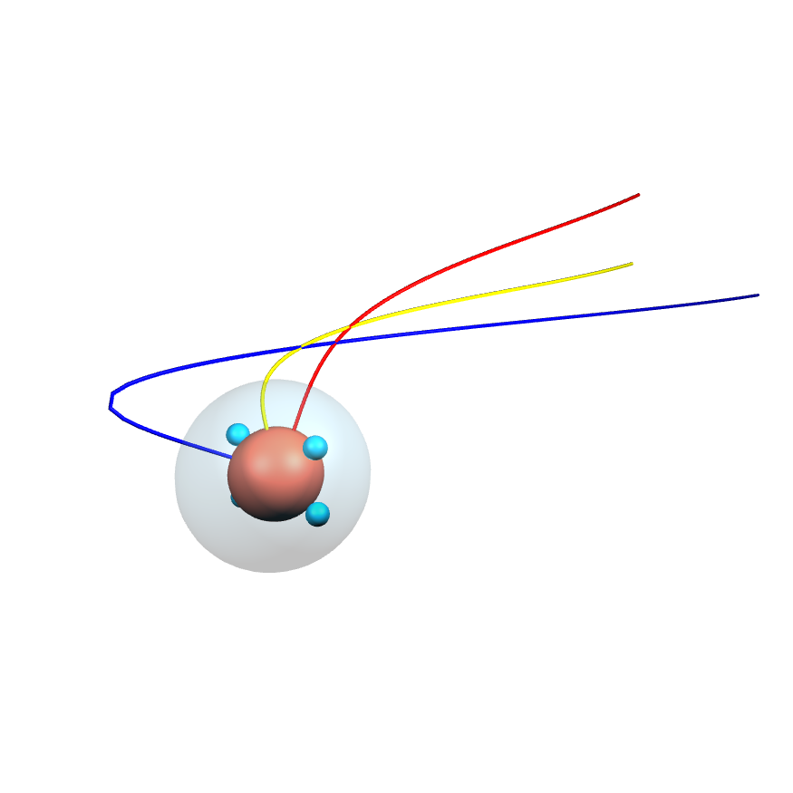
Aquire total circumference Iteration measures between xc and ycn: yn |  | Threshold exceeded
Aquire perfect 0.125 match of each curve in the Arc to Each Circumference Iteration 0.125 Match: m

Radical Sphere | Sphere | Sphere Iterations Variable
Input Diameter | 1
Circumference | 3
Circle Surface | 9
Sphere | 729
Sphere Surface | 182.25

Plotting the Arc | Coordinates
Curve deviation between start and end points (x) and (y) | 22
Curve deviation point (z) between start and end points (x) and (y) | 1771
Arc with Number of additional curves | 15944



 | Axis (x,y,z) | Arc (original) | Curve (x,y) Deviation
 | Length |  | 1771

 |  |  | Curve 1
 |  | Curve x | 1 |  | Curve 3
 |  | 22 |  |  | 3
 |  |  |  | Curve 2
 |  |  |  | 2 |  | Curve y
 |  |  |  |  |  | 11

 | Axis (x) | Arc (a) | Curve (x,y) Deviation
 | Length |  | 0

 |  |  | Curve 1
 |  | Curve x | 1 |  | Curve 3
 |  |  |  |  | 3
 |  |  |  | Curve 2
 |  |  |  | 2 |  | Curve y

 | Axis (y) | Arc (b) | Curve (x,y) Deviation
 | Length |  | 0

 |  |  | Curve 1
 |  | Curve x | 1 |  | Curve 3
 |  |  |  |  | 3
 |  |  |  | Curve 2
 |  |  |  | 2 |  | Curve y

 | Axis (z) | Arc (c) | Curve (x,y) Deviation
 | Length

 |  |  | Curve 1
 |  | Curve x | 1 |  | Curve 3
 |  |  |  |  | 3
 |  |  |  | Curve 2
 |  |  |  | 2 |  | Curve y

Arc (a)
Arc Edge: ((x*2)+1)/x Iterations and Arc Measure: Formula = an,xc,ycn,yn,m | Arc | Condition Min
x input |  | #DIV/0!
y input: |  | Condition Max
z input: x input + y input + ((x*2)+1)/x | #DIV/0! | #DIV/0!
Input Additional Curve Injection Parameters (z input: x input + y input + ((x*2)+1)/x)+1 |  | Condition Min & Max
Quantity of Additional Curve Injections (z input: x input + y input + ((x*2)+1)/x)+1 |  | #DIV/0!
Aquire number of Iterations or curves in Arc by min and max slop of Arc along grid intersections: an |  | B18 Max Value
Aquire first 0.125 of perfect curve smaller than the Arc Curves: xc |  | #DIV/0!
Aquire first 0.125 of perfect curve larger than the Arc Curves: ycn |  | C18 Min Value
Aquire total circumference Iteration measures between xc and ycn: yn |  | #DIV/0!
Aquire perfect 0.125 match of each curve in the Arc to Each Circumference Iteration 0.125 Match: m

Radical Sphere | Sphere | Sphere Iterations Variable
Input Diameter
Circumference | 0
Circle Surface | 0
Sphere | 0
Sphere Surface | 0

Plotting the Arc | Coordinates
Curve deviation between start and end points (x) and (y)
Curve deviation point (z) between start and end points (x) and (y) | 0
Arc with Number of additional curves | 0

Arc (b)
Arc Edge: ((x*2)+1)/x Iterations and Arc Measure: Formula = an,xc,ycn,yn,m | Arc | Condition Min
x input |  | #DIV/0!
y input: |  | Condition Max
z input: x input + y input + ((x*2)+1)/x | #DIV/0! | #DIV/0!
Input Additional Curve Injection Parameters (z input: x input + y input + ((x*2)+1)/x)+1 |  | Condition Min & Max
Quantity of Additional Curve Injections (z input: x input + y input + ((x*2)+1)/x)+1 |  | #DIV/0!
Aquire number of Iterations or curves in Arc by min and max slop of Arc along grid intersections: an |  | B18 Max Value
Aquire first 0.125 of perfect curve smaller than the Arc Curves: xc |  | #DIV/0!
Aquire first 0.125 of perfect curve larger than the Arc Curves: ycn |  | C18 Min Value
Aquire total circumference Iteration measures between xc and ycn: yn |  | #DIV/0!
Aquire perfect 0.125 match of each curve in the Arc to Each Circumference Iteration 0.125 Match: m

Radical Sphere | Sphere | Sphere Iterations Variable
Input Diameter
Circumference | 0
Circle Surface | 0
Sphere | 0
Sphere Surface | 0

Plotting the Arc | Coordinates
Curve deviation between start and end points (x) and (y)
Curve deviation point (z) between start and end points (x) and (y) | 0
Arc with Number of additional curves | 0

Arc (c)
Arc Edge: ((x*2)+1)/x Iterations and Arc Measure: Formula = an,xc,ycn,yn,m | Arc | Condition Min
x input |  | #DIV/0!
y input: |  | Condition Max
z input: x input + y input + ((x*2)+1)/x | #DIV/0! | #DIV/0!
Input Additional Curve Injection Parameters (z input: x input + y input + ((x*2)+1)/x)+1 |  | Condition Min & Max
Quantity of Additional Curve Injections (z input: x input + y input + ((x*2)+1)/x)+1 |  | #DIV/0!
Aquire number of Iterations or curves in Arc by min and max slop of Arc along grid intersections: an |  | B18 Max Value
Aquire first 0.125 of perfect curve smaller than the Arc Curves: xc |  | #DIV/0!
Aquire first 0.125 of perfect curve larger than the Arc Curves: ycn |  | C18 Min Value
Aquire total circumference Iteration measures between xc and ycn: yn |  | #DIV/0!
Aquire perfect 0.125 match of each curve in the Arc to Each Circumference Iteration 0.125 Match: m

Radical Sphere | Sphere | Sphere Iterations Variable
Input Diameter
Circumference | 0
Circle Surface | 0
Sphere | 0
Sphere Surface | 0

Plotting the Arc | Coordinates
Curve deviation between start and end points (x) and (y)
Curve deviation point (z) between start and end points (x) and (y) | 0
Arc with Number of additional curves | 0

Arc Meadow

